Average annual salary for women
Average annual salary ($) of women and men in Africa
Country | Average annual salary ($) women | Average annual salary ($) men
Angola | 5126.819418 | 7114.769756
Benin | 2517.502226 | 4130.211445
Botswana | 12304.93528 | 17137.23437
Burkina Faso | 1564.816896 | 2746.776807
Burundi | 833.2473511 | 627.2470791
Cameroon | 2409.080345 | 4922.632964
Cape Verde | 5008.749185 | 7074.022856
Chad | 1073.630601 | 1965.761498
Comoros | 2164.643842 | 3798.973359
Côte d'Ivoire | 3592.54935 | 6745.630445
Democratic Republic of Congo | 840.1338025 | 1325.439634
Eswatini | 7383.772288 | 9457.531656
Ethiopia | 1713.194853 | 2879.687969
Gambia | 1768.254581 | 2551.871669
Ghana | 2458.505893 | 8351.235573
Guinea | 2468.402445 | 2885.64589
Kenya | 3929.749193 | 4755.068024
Lesotho | 1870.389709 | 2774.897284
Liberia | 1480.743112 | 1304.288503
Madagascar | 1327.562653 | 1600.640607
Malawi | 1164.288216 | 1862.854977
Mali | 1535.770085 | 2912.849049
Mauritius | 13257.61913 | 25815.11147
Mozambique | 1076.904505 | 1391.636276
Namibia | 7943.391151 | 9732.915695
Nigeria | 3320.997208 | 6469.272391
Rwanda | 1643.638 | 2569.440601
Senegal | 1809.041107 | 4904.678295
Sierra Leone | 1461.059129 | 1814.097868
South Africa | 10310.32777 | 15093.99796
Tanzania | 2253.160075 | 3017.728637
Togo | 1905.911111 | 2311.211435
Uganda | 1569.219329 | 2797.577566
Zambia | 2961.826841 | 3599.910141
Zimbabwe | 2902.138683 | 3847.399807

Testing H_0
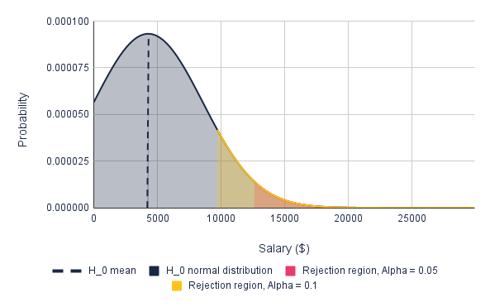
Null hypothesis: The average annual salaries of men and women in African countries are equal.
 | Women | Men | Sample | Alpha = 0.05 | Alpha=0.1
Sample mean | 3341.49 | 5208.29
Sample 2 mean | 4141.49 | 4408.29
Sample standard deviation | 3161.74 | 5160.12
Sample size | 35.00 | 35.00
Degrees of freedom | 34.00 | 34.00
Sample mean under H_0 |  |  | 4274.89
Sample standard deviation under H_0 |  |  | 4279.22
Level of significance |  |  |  | 0.05 | 0.1
P(z-score) |  |  |  | 1.96 | 1.28
Critical salary |  |  |  | 12662.15 | 9752.29

